NETWORK ADMINS
Extract from PAM_Definition_of_Privileged_BSI - Section 3.3 Network Administration
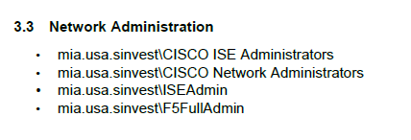

PAM Definition of Privilege (BSI) - Version 10.0, 3/11/2025 (latest version in the Document History; approver Dayam Borges)
Version: March 2025 - confirmed as the current version for the 2026 test period (full document: BSI.IT.27.C7.03 PAM Definition of Privilege.pdf)
Provided by BSI InfoSec team.

TESTER NOTES (2026):
1- Section 3.3 Network Administration defines the privileged network groups: mia.usa.sinvest\CISCO ISE Administrators, CISCO Network Administrators, ISEAdmin, F5FullAdmin (unchanged since version 4.0, 4/12/2022). These 4 groups are tested in Tabs 1-4.
2- OBSERVATION: Section 3.2 CyberArk also lists mia.usa.sinvest\Network_support - "Network devices Administrators" as a privileged group, but it is not included in the control scope (4 groups). In the 2026 Q2 SOX Manager certification Network_support had 12 members, all Approved, including the 5 identities flagged Inactive in IAMS (X688027, X689040, X689379, X690623, X690995 - exception E1). Management to confirm whether Network_support should be in scope of BSI.IT.27.C7.
3- OBSERVATION: The Sign Off table of the document shows approver Dayam Borges / action "Approve" but no approval date.

